JENNYFER
JENNYFER
PHOTOS | REF | PO NO. | Color | COMPO | A | XXS | XS | S | M | L | XL |  |  | QTY | RETAIL | TOTAL
 |  |  |  |  | B | 30 | 32 | 34 | 36 | 38 | 40 | 42 | 44
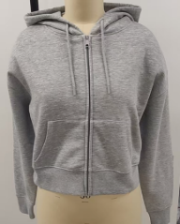 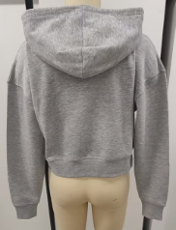 | 33JEDA | 583747 | 76# GIRS CHINE | 60%cotton 40%polyester brushed fleece 240gsm | A | 200 | 500 | 900 | 500 | 275 | 125 |  |  | 2,500 | 19.99 € | 49,975.00 €
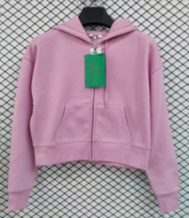 | 33JEDA | 583749 | 53#LAVANDE 14-3209TCX | 60%cotton 40%polyester brushed fleece 240gsm | A | 100 | 400 | 800 | 400 | 200 | 100 |  |  | 2,000 | 19.99 € | 39,980.00 €
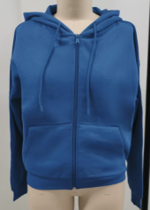 | 33JEDA | 583749 | 70#VIOLET FONCE 18-3949TCX | 60%cotton 40%polyester brushed fleece 240gsm | A | 100 | 400 | 800 | 400 | 200 | 100 |  |  | 2,000 | 19.99 € | 39,980.00 €
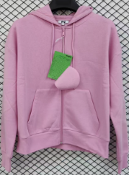 | 33OROZIP | 583745 | 53#LAVANDE 14-3209TCX | 60%cotton 40%polyester brushed fleece 240gsm | A | 100 | 400 | 740 | 340 | 183 | 100 |  |  | 1,863 | 25.99 € | 48,419.37 €
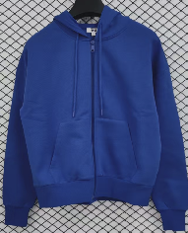 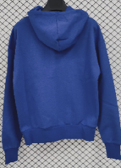 | 33OROZIP | 583745 | 70#VIOLET FONCE 18-3949TCX | 60%cotton 40%polyester brushed fleece 240gsm | A | 100 | 400 | 800 | 400 | 200 | 100 |  |  | 2,000 | 25.99 € | 51,980.00 €
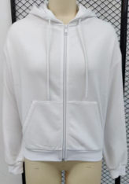 | 33OROZIP | 583739 | 255# BLANC | 60%cotton 40%polyester brushed fleece 240gsm | A | 100 | 400 | 800 | 400 | 200 | 100 |  |  | 2,000 | 25.99 € | 51,980.00 €
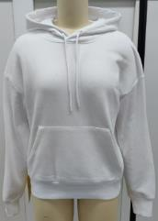 | 33OROCN | 583636 | 255# BLANC | 60%cotton 40%polyester brushed fleece 240gsm | A | 200 | 600 | 1100 | 600 | 300 | 200 |  |  | 3,000 | 19.99 € | 59,970.00 €
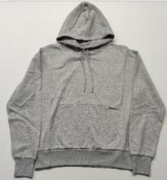 | 33OROCN | 583636 | 76# GIRS CHINE | 60%cotton 40%polyester brushed fleece 240gsm | A | 390 | 750 | 810 | 600 | 300 | 150 |  |  | 3,000 | 19.99 € | 59,970.00 €
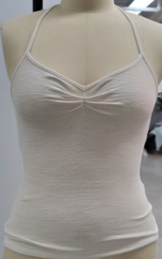 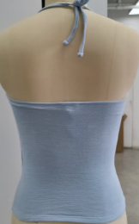 | 43MAYA | 583631 | 16#CIEL 14-4112TCX | 61%COTTON 39%POLYESTER | A | / | 250 | 350 | 250 | 100 | 50 |  |  | 1,000 | 12.99 € | 12,990.00 €
 |  |  | 82# 11-0104TCX | 61%COTTON 39%POLYESTER | A | / | 250 | 350 | 250 | 100 | 50 |  |  | 1,000 | 12.99 € | 12,990.00 €
 |  | 583633 | 16#CIEL 14-4112TCX | 61%COTTON 39%POLYESTER | A | / | / | / | 20 | 20 | 20 |  |  | 60 | 12.99 € | 779.40 €
 |  |  | 82# 11-0104TCX | 61%COTTON 39%POLYESTER | A | / | / | / | 20 | 20 | 20 |  |  | 60 | 12.99 € | 779.40 €
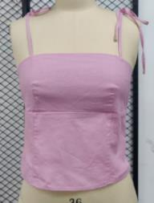 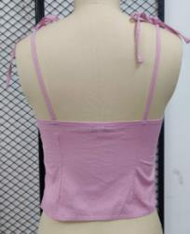 | 53TOPLIN | 584298 | 52# LAVANDE | 90%cotton 10%linen | A | / | / | / | 276 | 249 | 175 |  |  | 700 | 19.99 € | 13,993.00 €
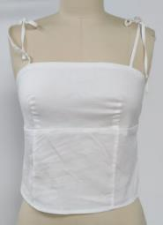 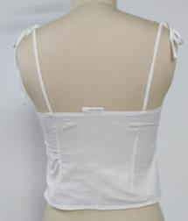 | 53TOPLIN | 584298 | 7#BLANC CASSE | 90%cotton 10%linen | A | / | / | / | 200 | 175 | 125 |  |  | 500 | 19.99 € | 9,995.00 €
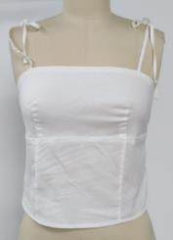 | 53TOPLIN | 583449 | 7#BLANC CASSE | 90%cotton 10%linen | A | / | / | / | 849 | 717 | 535 |  |  | 2,101 | 19.99 € | 41,998.99 €
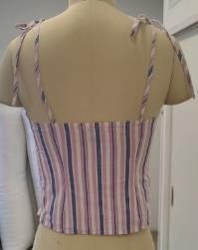 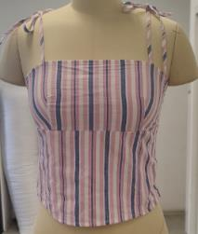 | 53TOPLIN | 583449 | 88#MALABAR | 90%cotton 10%linen | A | / | / | / | 594 | 530 | 376 |  |  | 1,500 | 19.99 € | 29,985.00 €
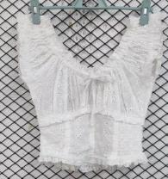 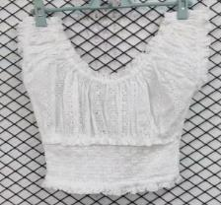 | 53BROSHTOP | 583243 | 7#BLANC CASSE | 100%COTTON Embroidered fabric | A | / | / | 250 | 350 | 250 | 150 |  |  | 1,000 | 25.99 € | 25,990.00 €
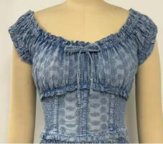 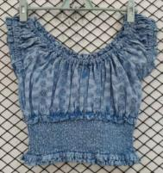 | 53BROSHTOP | 583243 | 16# BLUE CIEL | 100%COTTON Embroidered fabric | A | / | / | 250 | 350 | 250 | 150 |  |  | 1,000 | 25.99 € | 25,990.00 €
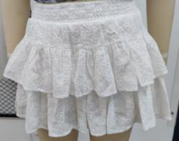 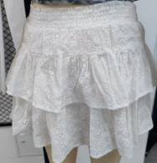 | 63JUPANBROD | 583241 | 7#BLANC CASSE | 100%COTTON Embroidered fabric | A | / | 200 | 506 | 600 | 397 | 295 |  |  | 1,998 | 25.99 € | 51,928.02 €
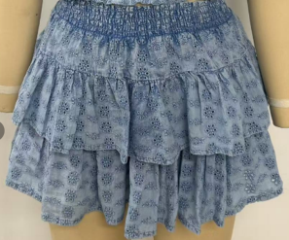 | 63JUPANBROD | 583241 | 16# BLUE CIEL | 100%COTTON Embroidered fabric | A | / | 150 | 375 | 443 | 300 | 225 |  |  | 1,493 | 25.99 € | 38,803.07 €
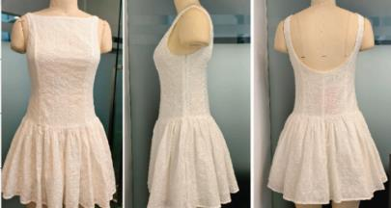 | 73DANCING | 583258 | 7#BLANC CASSE | 100%COTTON Embroidered fabric | A | / | / | 600 | 600 | 501 | 299 |  |  | 2,000 | 29.99 € | 59,980.00 €
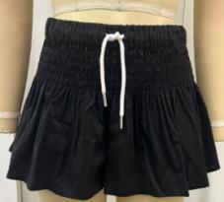 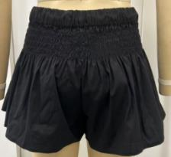 | 13SICHY | 583616 | 60# NOIR | 68%cotton 28%polyamide 4%elastane | A | / | / | / | 708 | 552 | 315 |  |  | 1,575 | 19.99 € | 31,484.25 €
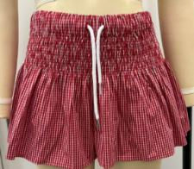 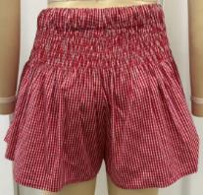 | 13SICHY | 583616 | 5# ROUGE VIF | 75%cotton 22%polyamide 3%elastane | A | / | / | / | 475 | 369 | 206 |  |  | 1,050 | 19.99 € | 20,989.50 €
 | 63GAMBROD | 583245 | 7#BLANC CASSE | 100%COTTON Embroidered fabric | A | / | 450 | 600 | 900 | 600 | 450 |  |  | 3,000 | 35.99 € | 107,970.00 €
 | 13PROVIN | 582936 | 26# BEIGE KAKI | 100% lyocell | B | / | / | 330 | 344 | 404 | 225 | 151 | 106 | 1,560 | 35.99 € | 56,144.40 €
 | 13PROVIN | 582761 | 75#KAKI FONCE | 100% lyocell | B | / | / | 353 | 254 | 304 | 168 | 154 | 111 | 1,344 | 35.99 € | 48,370.56 €
 | 13PROVIN | 583413 | 16# BLUE CIEL | 100% lyocell | B | / | / | 486 | 442 | 439 | 211 | 181 | 124 | 1,883 | 35.99 € | 67,769.17 €
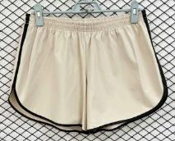 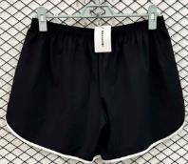 | 33SHORKET | 583093 | 60# NOIR | 76%Polyamide 24%Elastane | B |  | 350 | 650 | 350 | 150 |  |  |  | 1,500 | 15.99 € | 23,985.00 €
 | 33SHORKET | 583093 | 12# CREME | 76%Polyamide 24%Elastane | B |  | 350 | 650 | 350 | 150 |  |  |  | 1,500 | 15.99 € | 23,985.00 €
 | 33SHORKET | 583095 | 60# NOIR | 76%Polyamide 24%Elastane | B |  |  | 20 | 20 | 20 |  |  |  | 60 | 15.99 € | 959.40 €
 | 33SHORKET | 583095 | 12# CREME | 76%Polyamide 24%Elastane | B |  |  | 20 | 20 | 20 |  |  |  | 60 | 15.99 € | 959.40 €
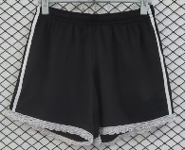 | 33DILACE | 583752 | 60# BLACK | 100%polyester | B | / | / | 250 | 400 | 250 | 100 | / | / | 1,000 | 17.99 € | 17,990.00 €
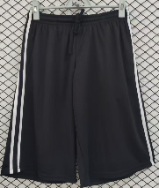 | 33SKATER | 583751 | 60# BLACK | 100%polyester | B | / | / | 250 | 400 | 250 | 100 | / | / | 1,000 | 19.99 € | 19,990.00 €
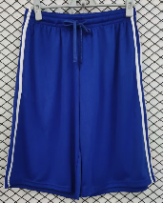 | 33SKATER | 583751 | 70#VIOLET FONCE 18-3949TCX | 100%polyester | B | / | / | 250 | 400 | 250 | 100 | / | / | 1,000 | 19.99 € | 19,990.00 €
 | 12DADILLEY | 583546 | 13# BLUE JEAN | 86%COTTON,8%POLYESTER,6%VISCOSE. | B | / | 294 | 454 | 388 | 319 | 234 | 155 | 114 | 1,958 | 29.99 € | 58,720.42 €
 | 12DADILLF | 583549 | 16# BLUE CIEL | 86%COTTON,8%POLYESTER,6%VISCOSE. | B | / | 379 | 566 | 478 | 397 | 298 | 192 | 150 | 2,460 | 29.99 € | 73,775.40 €
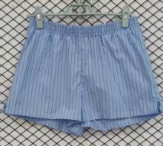 | 13SAYURE | 583197 | 16# BLUE CIEL | 100%cotton | B | / | / | 699 | 692 | 610 | 370 | 203 | / | 2,574 | 17.99 € | 46,306.26 €
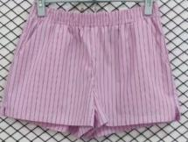 | 13SAYURE | 583197 | 52# LAVANDE | 100%cotton | B | / | / | 699 | 696 | 610 | 370 | 205 | / | 2,580 | 17.99 € | 46,414.20 €
 | 13PAYURE | 583195 | 16# BLUE CIEL | 100%cotton | B | / | / | 681 | 679 | 579 | 391 | 212 | / | 2,542 | 25.99 € | 66,066.58 €
 | 13PAYURE | 583195 | 52# LAVANDE | 100%cotton | B | / | / | 689 | 684 | 610 | 363 | 207 | / | 2,553 | 25.99 € | 66,352.47 €
 | 13PBOXER | 583447 | 16# BLUE CIEL | 100%cotton | B | / | / | / | 597 | 521 | 372 | / | / | 1,490 | 29.99 € | 44,685.10 €
 | 13PBOXER | 583447 | 52# LAVANDE | 100%cotton | B | / | / | / | 601 | 522 | 374 | / | / | 1,497 | 29.99 € | 44,895.03 €
 | 13PONGO | 584206 | 52# LAVANDE | 90%cotton 10%linen | B | / | / | 193 | 162 | 156 | 106 | 83 | / | 700 | 29.99 € | 20,993.00 €
 | 13PONGO | 583767 | 7#BLANC CASSE | 90%cotton 10%linen | B | / | / | 726 | 599 | 578 | 395 | 320 | / | 2,618 | 29.99 € | 78,513.82 €
 | 13PONGO | 583767 | 88#MALABAR | 90%cotton 10%linen | B | / | / | 424 | 351 | 336 | 232 | 181 | / | 1,524 | 29.99 € | 45,704.76 €
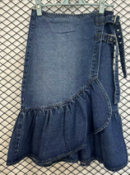 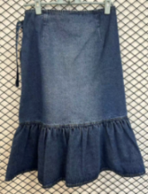 | 63DOLAND | 582964 | 15# BLUE | DENIM FABRIC 80%COTTON 18%POLYESTE 2%VISCOSE 10*7 11.5OZ 180CM AR1753 | B | / | / | 346 | 289 | 200 | 93 | 48 | / | 976 | 29.99 € | 29,270.24 €
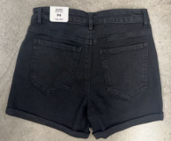 | 13SRAIGA | 583800 | 60# BLACK | 59%COTTON 32%POLYESTER 5%VISCOSE 2%LYOCELL 2%ELASTANE 10*16/70D+40D 84*55 11.8OZ AW 63" | B | 302 | 545 | 541 | 534 | 360 | 302 | 265 | 154 | 3,003 | 15.99 € | 48,017.97 €
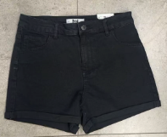 | 13SRAIGA | 584367 | 60# BLACK | 59%COTTON 32%POLYESTER 5%VISCOSE 2%LYOCELL 2%ELASTANE 10*16/70D+40D 84*55 11.8OZ AW 63" | B | 200 | 400 | 440 | 360 | 280 | 180 | 100 | 40 | 2,000 | 15.99 € | 31,980.00 €
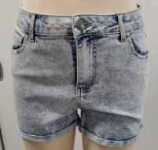 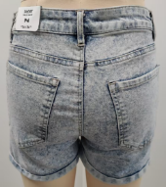 | 13SRAIGEE | 583796 | 13# BLUE JEAN | 54%COTTON 39%POLYESTER 4%VISCOSE 2%LYOCELL 1%ELASTANE 10*16/70D+40D 84*55 11.8OZ AW 63" | B | 243 | 537 | 527 | 525 | 362 | 264 | 271 | 133 | 2,862 | 15.99 € | 45,763.38 €
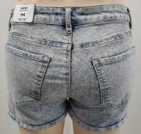 | 13SRAIGEE | 584371 | 13# BLUE JEAN | 54%COTTON 39%POLYESTER 4%VISCOSE 2%LYOCELL 1%ELASTANE 10*16/70D+40D 84*55 11.8OZ AW 63" | B | 246 | 362 | 430 | 324 | 257 | 191 | 85 | 41 | 1,936 | 15.99 € | 30,956.64 €
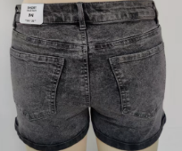 | 13SRAIGII | 583839 | 56# GRIS MOYEN | 59%COTTON 32%POLYESTER 5%VISCOSE 2%LYOCELL 2%ELASTANE 10*16/70D+40D 84*55 11.8OZ AW 63" | B | 297 | 523 | 525 | 518 | 357 | 271 | 259 | 147 | 2,897 | 15.99 € | 46,323.03 €
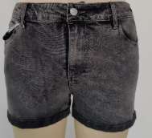 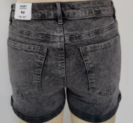 | 13SRAIGII | 584373 | 56# GRIS MOYEN | 59%COTTON 32%POLYESTER 5%VISCOSE 2%LYOCELL 2%ELASTANE 10*16/70D+40D 84*55 11.8OZ AW 63" | B | 192 | 389 | 442 | 355 | 276 | 181 | 100 | 41 | 1,976 | 15.99 € | 31,596.24 €
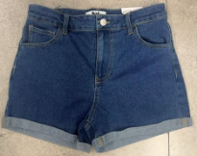 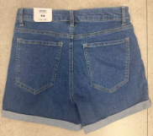 | 13SRAIGD | 583802 | 15# BLUE | 54%COTTON 39%POLYESTER 4%VISCOSE 2%LYOCELL 1%ELASTANE 10*16/70D+40D 84*55 11.8OZ AW 63" | B | 305 | 542 | 542 | 539 | 361 | 300 | 274 | 148 | 3,011 | 15.99 € | 48,145.89 €
 | 13SRAIGD | 584369 | 15# BLUE | 54%COTTON 39%POLYESTER 4%VISCOSE 2%LYOCELL 1%ELASTANE 10*16/70D+40D 84*55 11.8OZ AW 63" | B | 250 | 500 | 549 | 448 | 352 | 226 | 125 | 50 | 2,500 | 15.99 € | 39,975.00 €
TOTAL JENNYFER |  |  |  |  |  |  |  |  |  |  |  |  |  | 92,964 | 22.73 € | 2,113,498.36 €

